Sheet1
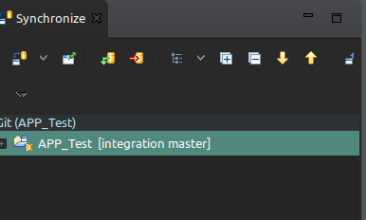
https://github.com/ronald360/integration.git

Right click on the APP --> Team --> Share Application

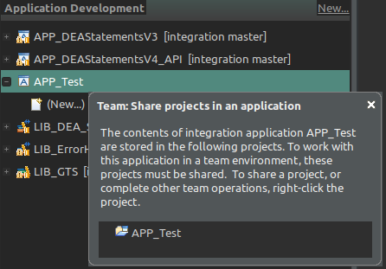

Right click on the APP --> Share Project

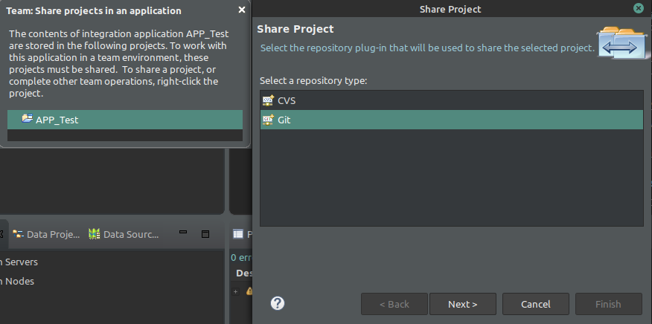

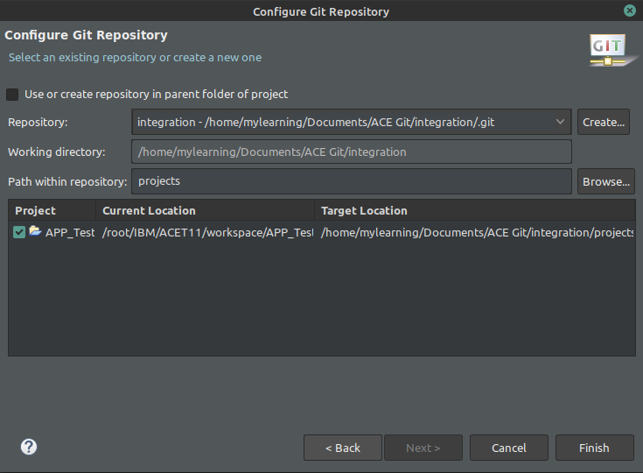

Right click on the APP --> Team --> Share Application

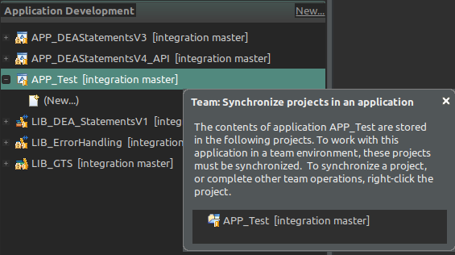

Right click on the APP --> Team --> Commit

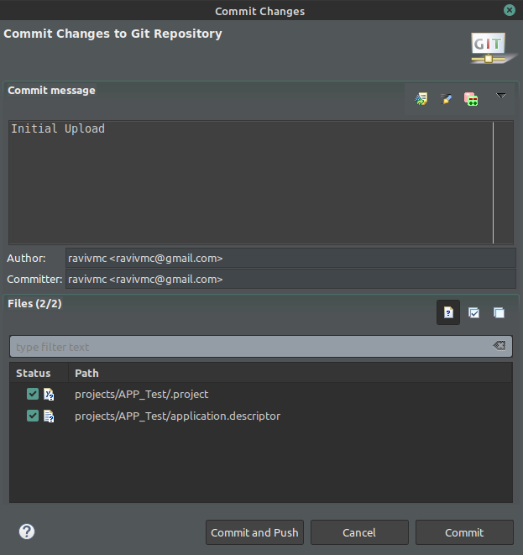

Right click on the APP --> Team --> Synchronise Workspace

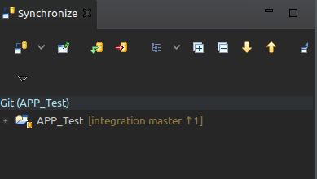

Click on the push icon to push the changes to GIT. On successful completion, you can refresh the Git repository in browser to confirm the new code has been checked-in

